Table 1
• • • ■ • • • • • • • • • • • • • • • • • • • • • • • • • • • • • • • • • • • • - U.S. Results By State - ARKANSAS JONESBORO, June 27-PV: 1. Mack (Nik) 19-4114 (5.90) (=9, x A) (18-4 112, 18-8114, 19- 114 [3], 19-4 114, 1 9-811• [xxx]) (5.60, 5.70, 5.80
[3], 5.90 , 6.00 [xxx]); 2. Miles (Nik) 18-8114 (5.70); 3. Ryland (Bell) 18-8114 PR; 4. McLean (Bell) 18-8 114 PR;... nh-Calvin (Bell). Women : PV: 1. Schwartz (Nik) 14-3112 (4.36); 2. Gallagher (lnl) 14-0 (4.27); 3. Stearns (Mn) 13-6114 (4.12); 4. Boyle (Mi) 13-6 114 (4.12). CALIFORNIA SAN LUIS OBISPO , June 19- PV: 1. Norberg (Shore) 18-112 (5.50); 2. Takahashi (SLO) 17-6112 ( 5.35). Women: PV: 1. Mccann' (Can) 14-5114 (4 .40); 2. Bartolina (unat) 13-9114 (4 .20). ATASCADERO, June 23-PV: 1.Norberg (Shore) 18-6 112 (5.65); 2. Pratt' (BYU) 18-1 (5.51). Women: PV: 1 Sauer (Asics) 14-511• (4 .40); 2. Mccann' (Can) 14-51' • ; 3. Bartolina (unat) 14-5"• PR; 4. O'Hara (unat) 14-1 11• (4.30). ATASCADERO, July 1-Women: HJ: 1. Day(SLO) 6-3114(1.91 ) (3, =3 AJ); 2. Wagner (SLO) 6-1112 ( 1.87). NEW YORK WEST POINT, July 1-HT: 1.J. Freeman (Man) 232-3 (70.79). NORTH CAROLINA RALEIGH, June 19 (held in conjunction with AOC HS meet)- 400: 1. Brew (Nik) 46.27 . Women: 400: 1. Collins (Nik) 50.02 (AL) (11, x A); 2. Dunn (Nik) 51.68; 3. Robinson (SpC) 51.79; 4. K. Davis (EAi) 52.09. NORTH DAKOTA FARGO, June 5-6-Dec: 1. Geopfert (unat) 7785w (10.81W, 23-10114W/7.27W, 48-314'14.65, 2-7/.79, 48.63 [4047-1], 15.35W, 147-0/44 .80, 14-11/4.55, 182-0/55.47, 4:33.42 [37381). FARGO, June 19-20-Dec: 1. Janvrin (K&K) 7730 (11.00w, 23-311. w/7.09w, 454112/1 3.83, 6-314/1.85, 48.91 [3950- 1], 15.00w, 140-2/42.72, 15-5/4.70, 1865/56.82,4:36.80 [37801);... dnf-Geopfert (unat). Hept: 1. Davis (unat) 5495. OHIO STATE HS, Columbus , June 4- 5- 200: 1. Ginn (Glenville, Cleveland) 21.55. Heats: 1(2.0)-1. Ginn 21.44. 400: 1. Logan (Trotwood-Madison, Trotwood) 46.64; 2. Ginn 46.88. Heats: 1-1. Ginn 46.57. 11OH(-1.2): 1. Ginn 13.40 (HSL) (=5, =6 HS; Including hand conversions =6, =9 HS). Heats: 1(2 . 8)- 1. Ginn 13.26w (a-c: =2, =2 HS; including hand =3, =4 HS). 4 x 400: 1. Glenville 41.59 (no Ginn). 4 x 200: 1. |  |  |  |  |  |  | Starting Friday! It's the big one! It's the Olympic Trials! As an eTN subscriber, you're going to be way ahead of the curve as we dire ctly e-mail material to you on a daily basis. If you were on-board for Paris and the World Championships last summ er you know what we mean. Sure, you'll already know the results by the time the meet is over every night, but very morning we'll be sending you something that goes beyond the mere results. You'll get splits, all-time data, full series in competitive order. Stuff you can't find anywhere else. And before the meet even gets going, we'll be sending you our final premeet formchart for quick and easy reference, plus all the latest injury information. Woo-hoo!

WASHINGTON VANCOUVER, June 24-HT: 1.Dirks (CNW) 210-0 (64.01) PR. . . . . . . .. ... . . ..... .. . . .. . . .. ..... . .. . ..
...
Home 1'11ews Latest _ Reports Tuesday, July 13, 2004 Search
17:15 W
17:25 M
17:55 M
18:20 W
18:40 W
18:45 M
19:00 M
19:05 M
19:30 W
19:55 W
.
© 1996-2004 International Association of Athletics Federations. IAAF - All Rights Reserved. g 1996-2004 International Association of Athletics Federations - IMF - All Rights Reserved. 1ttp://www.iaaf.org/WJC04/results/raceDate=7-l 3-2004/byDate.html

' ••
' •
e - International Circuit - KYYIV Ukrainian Cup, Kyyiv, May 29- 4 x 100: 1. Ukraine 39.68. PV: 1. Strogalyov (Rus) 18-6112 (5.65). SP: 1. B. Singh (Ind) 66-311• (20.20). HT: 1. Krykun 267-11 (81.66) PR; 2. Rubanko 263-11 (80.44) PR. KYYIVWOMEN 400: 1. Yefremova 50.92; 2. Ryzhkova 51.75 PR. 1500: 1. Tobias 4:04.97 PR; 2. Golovchenko 4:05.87 PR. St: 1. Gorpynich 9:59.4h PR. 100H(1.4): 1. Krasovska 13.03. 4 x 100: 1. Ukraine 43.15. PV: 1. Balakhonova 14-51'4 (4.40); 2. Kushch 13-91' • (4.20). SP: 1. Zakharchuk 62-3 (18.97) PR. DT: 1. Antil (Ind) 207-0 (63.10) PR. HT: 1. Sekachova 238-10 (72.81) (225-5, f, f, 238-10) (68.70, f, f, 72.81). JT: 1. Slastina 193-10 (59.09) PR. BYDGOSZCZ Bydgoszcz, Poland, June 5- 100(0.0): 1. Brunson (US) 10.21; 2. Chyla (Pol) 10.25; 3. B. Lewis (US) 10.28. 200(0.0): 1. Christopher (Can) 20.50 PR; 2. Urbas (Pol) 20.73; 3. Hackley (US) 20.75; 4. Lewis 21.04. 800: 1. Tadili (Can) 1:45.21; 2. W. Botha (SA) 1:46.82; 3. H. Rotich (Ken) 1:46.90. St: 1. Nyamu (Ken) 8:19.63; 2. Abdullah (Oat) 8:20.70; 3. Joh. Langat (Ken) 8:22.39;... 10. Yagut (Bhr) 8:36.66. 110H(1.0): 1. Scigaczewski (Pol) 13.55. 400H: 1. Meleshenko (Kaz) 49.50; 2. Tesarfk (CzR) 49.68; 3. Juanz (Mex)49.96 PR; 4. L. van Zyl (SA) 50.34; 5. Januszewski (Pol) 50.62. 4 x 100: 1. Poland 39.16; 2. Poland B 39.96; 3. Hungary 40.02. 4 x 400: 1. Ukraine 3:02.55; 2. Poland 3:03.36; 3. Poland 3:05.00; 4. Ireland 3:06.46. Field Events HJ: 1. Spos6b (Pol) 7-8 (2.34) (7-1 7-3, 7-51 [2], 7-8 [3], 7-10 NR

[xxx]) (2.14, 2.21, 2.27 [2], 2.34 [3], 2.39 [xxx]): 2. Sokolovskiy (Ukr) 7-6112 (2.30); 3. Wolski (Pol) 7-411• (2.24); 4. Shunk (US) 7-3 (2.21); 5. Vasilache (Rom) 7-1314 (2.18); 5. tie, Galeshev (Bir) & Walerian­ czyk (Pol) 7-1"'4. PV: 1. Czerwinski (Pol) 17-8112 (5.40). LJ: 1. Zyuskov (Ukr) 26-4114 (8.03); 2. Mateusiak (Pol) 26-3112 (8.01); 3. Marciniszyn (Pol) 25-10314 (7.89);... 6. Ergotic (Cro) 25-2112 (7.68);... 3f-StreeteThompson (Cay). SP: 1. Belonog (Ukr) 68-4112 (20.84); 2. Mikhnevich (Bir) 66-3 (20.19). HT: 1. Annus (Hun) 263-8 (80.36); 2. Zi61kowski (Pol) 255-6 (77.88); 3. Devyatovskiy (Bir) 254-3 (77.51). • ■ ■ • • • • • • • • • • • • • • • • • -221-

form without express written permission
www.tra |  |  | ka | dn
. . . . . . . . . . . . . . . . . . . . . . . . . . . . . . . . . . . . . . . .

Moscow - continued: 1500: 1. 0. Yegorova (Rus) 4:07.09. 5000: 1. Berkut (Ukr) 14:59.26 NR. 400H: 1. Gulumyan (Rus) 55.71 PR. Field Events PV: 1. Belinskaya (Rus) 14-1114 (4 .3 0). LJ : 1. Zaytseva (Rus) 21-6 (6.55) . TJ: 1. Donkina (Rus) 47-7 (14.50); 2. Gurova (Rus) 46-1114 (14.05); 3. lvanova (Rus) 45-10 112 (13.98). HT: 1. Tarasyuk (Rus) 222-5 (67.79) PR. JT: 1. Yarygina (Rus) 200-4 (61.06). RATINGEN MULTIS Ratingen, Germany, June 26-27 (IAAF Combined Events Chal­ lenge)- Dec: 1.Leyckes (Ger) 8172 (10.97, 23-7114/7.19, 45-112/13 . 7 3, 6-6/ 1.98,47 .92, 14.43w, 135-9/41.39, 16-831, /5.10, 195-2/59.49, 4:28.94); 2. Scho nbeck (Ger) 8044; 3. Drews (Ger) 8032. RATINGEN WOMEN Hept: 1. Wheeler (Aus) 6296 PR (13.71, 6-0/1.83, 41-2112/1 2.56, 24.22w, 21-10114/6.66 w, 122-11/37.48, 2:12.80); 2. Ruckstuhl (Ger) 6206 (13.56, 5-8112/1. 74, 44-9112/13.6 5, 24.53w, 21-1112/6.44, 128-3/ 39.09, 2:12.89); 3. Kesselschlager (Ger) 6193 (13.49, 5-10314/1 .80, 46-314/1 4.04, 24.14w, 20-5114/ 6.23, 125-9/38.32, 2:11.95); 4. Tonn (Ger) 6169; 5. Ertl (Ger) 6165; 6. Schwarzkopf (Ger) 6161; 7. Krieger (Ger) 6059; 8. Naumenko (Kaz) 5946; 9. Oeser (Ger) 5936 ;... dnf-Gutjahr (Ger), Kazanina (Kaz), Hellebaut (Bel), Gomes (Por). ROME GOLDEN LEAGUE Golden Gal . Rome, July 2- 100(-0.3): 1. Zakari (Gha) 10.10; 2. Thomas (Jam) 10.19; 3. Collins (StK) 10.21; 4. Aliu (Ngr) 10.21; 5. Campbell (GB) 10.21; 6. Egbele (Ngr) 10.23; 7. Thompson (Bar) 10.27; 8. Collio (lta) 10.29 PR. 200: 1(-0.5)-1. Buckland (Mri) 20.20; 2. Powell (Jam) 20.24; 3. Fredericks (Nam) 20.36 ; 4. de Lima (Bra) 20.44; 5. J.J. Johnson (US) 20.55; 6. Campbell (GB) 20.59; 7. Torrieri (lta) 20.60; 8. Demeritte

' •
(Bah) 20.70.

' • •
' • •
' •
11( 0.0)- 1. Unger (Ger) 20.52; 2. Wissman (Swe) 20.70; 3. Dzingai (Zim) 20.72; 4. Pognon (Fra) 20.73; 5. Batangdon (Cmr) 20.77. 800: 1-1. Kipketer (Den) 1:43.88 (WL); 2. Sepeng (SA) 1:43.94 ; 3. Borzakovskiy (Rus) 1:44.19; 4. Lacasse (Fra) 1:44.42 PR; 5. Longo (lta) 1:44.48; 6. Jansen (Bel) 1:44.48; 7. Bungei (Ken) 1:44.54; 8. Ju. Koech (Ken) 1:44.99; 9. Sa"id-Guerni (Alg) 1:45.10; 10. Laalou (Mor) 1:45.26 ; 11. Bucher (Swi) 1:46.80;... rabbit- H. Rotich (Ken). 11-1. Yiampoy (Ken) 1:44.29; 2. 0. dos Santos (Bra) 1:45.64; 3. Nduwimana (Bur) 1:45.66; 4. Alemu (Eth) 1:45.71; 5. Motchebon (Ger) 1:46.01; 6. Wachira (Ken) 1:46.27; 7. Brannen (Can) 1:46.48; 8. Okken (Hol) 1:46.99;... 10. Botha (SA) 1:47.11;... 12. J. Kimutai (Ken) 1:49.57. 1500: 1. Ramzi (Bhr) 3:30.25 NR, AsR (WL) (former Khaoui of Morocco; PR at start of year was 3:39.30, improved that to 3:31.87 on 6/24) (age 23); 2. Lagat (Ken) 3:30.81; 3. Baala (Fra) 3:31.25; 4. Songok (Ken) 3:31.94; 5. R. Silva (Por) 3:32.13; 6. A. Kipchirchir (Ken) 3:32.35; 7. East (GB) 3:32.37 PR; 8. El Guerrouj (Mor) 3:32.64 (first 1500/mile loss since Sydney Olym­ pics); 9. Willis (NZ) 3:32.68 PR; 10. Yemmouni (Fra) 3:32.97 PR; 11. Liefers (Hal) 3:33.87; 12. Sullivan (Can) 3:34.43; 13. Higuero (Spa) .................

.....
-222- July 26, 2004
. . . . . . . . . . . . . . . . . . . . . . . . . . . . . . .. . . . . . . . . .
ROME GL WOMEN 100(-0.3): 1. Nesterenko (Bir) 11.13; 2. Mayers (StV) 11.17; 3. Bailey (Jam) 11.19; 4. Ferguson (Bah) 11.23; 5. Gevaert (Bel) 11.27; 6. Nku (Ngr) 11.39; 7. MayrKrifka (Aul) 11.42; 8. Safronnikova (Bir) 11.49; 9. Tabakova (Rus) 11.58. 400: 1. Darling (Bah)49.25 NR(WL) (14, xW); 2. Guevara (Mex) 49.74 (first loss since '01 World Champs; streak ends at 21); 3. Kotlyarova (Rus) 49.77 PR; 4. Krasnomovets (Rus) 50.68; 5. Zykina (Rus) 50.88; 6. Amertil (Bah) 51.01; 7. Usovich (Bir) 51.99; 8. Pospelova (Rus) 52.56; 9. De Angeli (lta) 53.22. 800: 1-1. Ceplak (Slo) 1:57.68; 2. Cherkasova (Rus) 1:58.02; 3. M. An Hamou (Mor) 1:59.31; 4. Serwaa (Gha) 1:59.60 NR; 5. Burnett (Guy) 2:00.29; 6. S. Ait Hamou (Mor) 2:00.32; 7. Roslanova (Kaz) 2:00.57; 8. Langerholc (Slo) 2:00.77; 9. Artuso (lta) 2:01.04 PR; 10. Zhao (Rus) 2:01.75; 11. Ballentine (Jam) 2:01.83; 12. Macharia (Ken) 2:02.37;... rabbit-Lavshuk (Rus) 57.26. 11-1. Calatayud (Cub) 1:59.24; 2. Mendes (Bra) 1:59.49; 3. Sama­ ria (Nam) 2:00.12; 4. Mistyukevich (Rus) 2:00.23; 5. Touhami (Alg) 2:00.53 PR; 6. Lewis (Aus) 2:00.96; 7. Bernard-Thomas (Grn) 2:01.32 NR;... rabbit-Nwosu (Ngr) 57.04. 1500: 1. Yegorova (Rus) 4:01.15; 2. Zadorozhnaya (Rus) 4:01.38; 3. Tomashova (Rus) 4:01.69 (52.72); 4. Elmore (Can)4:02.64 PR; 5. Tullett (GB) 4:03.47; 6. Dehiba (Mor) 4:03.72 PR; 7. Sacramento (Por) 4:03.99; 8. Varga (Hun) 4:04.26; 9. Jamieson (Aus) 4:04.73 PR; 10. Dejaeghere (Bel) 4:06.57; 11. Chumakova (Rus) 4:07.05 PR; 12. Pilskog (Nor) 4:07.47 PR; 13. Cioncan (Rom) 4:09.27; 14. Fenn (GB) 4:09.54 PR;... 17. Mugo (Ken) 4:15.17;... dnf-Kosenkova (Rus);... rabbit-Vorobyeva (63.10, 67.34 [2:10.44]). 5000: 1. E. Dibaba (Eth) 14:37.99; 2. W. Kidane (Eth) 14:38.05 (8:53.80, 5:44.25); 3. Defar (Eth) 14:44.81; 4. T. Dibaba (Eth) 14:47.43; 5. E. Masai (Ken) 14:49.16; 6. Timbilil (Ken) 14:53.17 PR; 7. Jepleting (Ken) 14:54.24 PR; 8. Mikitenko

' •
' •
[2]. 6-83 |  |  |  |  | [xxxl) (1.84, 1.88, 1.92, 1.95, 1.98, 2.01, 2.03 [2). 2.05
[xxx]); 2. Slesarenko (Rus) 6-8 (equals second-highest non-winner ever) (6-112, 6-2, 6-3112, 6-4314, 6-6 [2). 6-7, 6-8 [3]. 6-8314 [xxx]) (1.84, 1.88, 1.92, 1.95, 1.98 [2). 2.01, 2.03 [3). 2.05 [xxx]); 3. lagar (Rom) 6-3112 (1.92); 4. Novoseltseva (Rus) 6-3112; 5. Beitia (Spa) 6-2 (1.88); 6. tie, Hellebaut (Bel) & Kalcheva (Bui) 6-2; 8. Jones (GB) 6-112 (1.84); 9. Visigalli (lta) 6-112; 10. Bevilacqua (lta) 5-10314

(1.80).
' •
' •
LJ: 1. Lebedeva (Rus) 23-0 (7.01) PR (22-P'•• 22-6112, 22-7, p, p, 23-0) (6.75, 6.87, 6.88, p, p, 7.01); 2. Kotova (Rus) 22-21' • (6.76) (f,
• )
21-4, 22-1, 22-1, f, 22211 |  |  |  |  |  | (f, 6.50, 6.73, 6.73, f, 6.76); 3. Simagina
(Rus) 22-1 (6.73); 4. B. George (Ind) 21-112 (6.41); 5. May (lta) 21-112 (6.41); 6. Rublyova (Rus) 20-111' • (6.38); 7. Ter­ Mesrobyan (Rus) 20-8112 (6.31); 8. Upshaw (US) 20-6112 (6.26); 9. Edwards (Bah) 20-5 11• (6.23); 10. Scerbova (CzR) 20-5 (6.22); 11. Vaszi (Hun) 20-3112 (6.18); 12. Montaner (Spa) 14-2114 (4.32).

₍₁₃₋₇11 11 11
• ■ • • • • • • • • • • • • • • • • • • • • ■ • • • • • • • • • • ■ • • • • • -223- July 26, 2004
• • • • • • • • • • • • • • • • • • • • • • • • ■ • • • • • • • • • • • • • • •
IRAKLIO SUPER GP Tsiklitiria, lraklio, Cyprus, July 4- 100(-0.5): 1. Aliu (Ngr) 10.21; 2. Zakari (Gha) 10.24; 3. V. de Lima (Bra) 10.28; 4. Gardener (GB) 10.28; 5. Thomas (Jam) 10.30; 6. Osovnikar (Slo) 10.43; 7. Papadias (Gre) 10.46; 8. Mayola (Cub) 10.56. Heats: 1(0.6)- 1 . Aliu 10.07;.. . 6. Pavlakakis (Gre) 10.47;... dnf-Lambert (GB). 200(0.9): 1. Kederis (Gre) 20.24; 2. Buckland (Mri) 20.28; 3. Demeritte (Bah) 20.63; 4. Golding (GB) 20.66; 5. Osovnikar 20.69 PR; 6. Dzingai (Zim) 20.73; 7. Sarris (Gre) 20.92. 800: 1. Borzakovskiy (Rus) 1:43.92; 2. Yiampoy (Ken) 1:43.95; 3. M. Rotich (Ken) 1:44.08 PR; 4. Mutua (Ken) 1:44.09; 5. Jus. Koech (Ken) 1:44.19; 6. Laalou (Mor) 1:44.39 PR; 7. Arssat (Fra) 1:45.04; 8. Bogdanov (Rus) 1:45.15; 9. R. Silva (Por) 1:45.90; 10. J. Kimutai (Ken) 1:46.80.

2)
1500 : 1. P. Korir (Ken) 3:31.1O; 2 . Boukensa (Alg) 3:32.35 PR; 3.

T. Kiptanui (Ken) 3:32.57 PR; 4. Sa'idi-Sief (Alg) 3:32.75; 5. L. Rotich (Ken) 3:32.81; 6. El Kaouch (Mor) 3:32.86 PR; 7. Ngeny (Ken) 3:33.38; 8. Baba (Mor) 3:33.43 PR; 9. Boulahfane (Alg) 3:34.21; 10. Shabunin (Rus) 3:35.58; 11. de Souza (Bra) 3:36.17; 12. Lunn (US) 3:36.38 PR; 13. Thie (GB) 3:37.06 PR; 14. Kipkurui (Ken) 3:37.27; 15. R. Rono (Ken) 3:37.78. St: 1. Shaheen (Qat) 8:01.97; 2. W. Kiprotich (Ken) 8:12.19 PR; 3. Chemweno (Ken) 8:13.12 PR; 4. Nyamu (Ken) 8:15.95; 5. W. Boil (Ken) 8:16.59; 6. Misoi (Ken) 8:18.69; 7. Usov (Rus) 8:23.90 PR; 8. Ju. Kiprono (Ken) 8:27.06; 9. A. Cherono (Ken) 8:33.16;... dnf­ Yator (Ken). 110H(0.3): 1. R. dos Santos (Bra) 13.33; 2. Ross (US) 13.37; 3. Inocencio (Bra) 13.45; 4. Bramlett (US) 13.53; 5. Pechonkin (Rus) 13.65; 6. Garcia (Cub) 13.67; 7. Phillips (US) 14.02; 8. Yo. Hernan­ dez (Cub) 14.21. 400H: 1. Rawlinson (GB) 48.19; 2. Keila (Fra) 49.03; 3. Gorban (Rus) 49.20; 4. Meleshenko (Kaz) 49.36; 5. Douglas (GB) 49.52; 6. Griffiths (Jam) 49.62. Field Events

4
2
HJ: 1. Holm (Swe) 7-731

2;
4
4 (2.33) (7-2 2, 7-4 4, 7-5 4 [2], 7-6 2 , 7-7 4 [2], 7-811 [xxp], 7-9114 [x]) (2.20, 2.24, 2.27 [2], 2.30, 2.33 [2], 2.35 [xxp], 2.37 [x]); 2. Baba (CzR) 7-6112 (2.30); 3. tie, T. Janku (CzR) & Rybakov (Rus) 7-6112; 5. Vasilache (Rom) 7-5114 (2.27); 6. Ton (CzR) 7-4114 (2.24); 7. Prezelj (Slo) 7-4114; 8. Voronin (Rus) 7-4114; 9. tie, Chubsa (Bir) & loannou (Gyp) 7-2112 (2.20); 11. Klyugin (Rus) 7-2112 (2.20); 12. Constantinou (Gyp) 7-211 13. Freitag (SA) 7-2112. LJ: 1. Martinez (Cub) 27-31 (8.25) PR (24-8114, 26-5, 26-1112, 27-314, p, 18-5,31 ) (7.52, 8.05, 7.96, 8.25, p, 5.63); 2. Shkurlatov (Rus)

4
26-1111

4
4 (8.21) (26-6 4 , 25-11 2 , 26-11 4, p, p, f) (8.08, 7.91, 8.21, p, p, f); 3. Domenech (Fra) 26-531 (8.07); 4. Tarus (Rom) 26-531 (8.07); 5. Morgan (GB) 26-4112 (8.04); 6. Tsatoumas (Gre) 26-4"• (8.03); 7. Moxey (Bah) 26-314 (7.94). IRAKLIO WOMEN 100(-0.4): 1. Nesterenko (Bir) 11.06; 2. Mayers (StV) 11.28; 3. Block (Ukr) 11.29; 4. Tabakova (Rus) 11.35; 5. Bikar (Slo) 11.45; 6. Mayr-Krifka (Aut) 11.51; 7. Safronnikova (Bir) 11.53. 800: 1. Ceplak (Slo) 1:59.94; 2. Khrushchelyova (Rus) 2:00.26; 3. S. A'it Hammou (Mor) 2:00.88; 4. Chzhao (Rus) 2:01.00; 5. Raspo­ pova (Rus) 2:01.48; 6. Langerholc (Slo) 2:01.54; 7. R0nholt (Den) 2:01.90; 8. Mistyukevich (Rus) 2:02.14; 9. Macharia (Ken) 2:02.93. St: 1. Samitova (Rus) 9:01.59 WR (old WR 9:08.33 Samitova '03); 2. lnzikuru (Uga) 9:29.30 NR (5, x W); 3. Chaabi (Mor) 9:30.35 NR; 4. Casandra (Rom) 9:31.96 NR; 5. T6th (Hun) 9:39.84 NR; 6. Rosa (Por) 9:43.00 NR; 7. Chepchumba (Ken) 9:48.56 PR; 8. Bahi Azoum (Alg) 9:48.97 NR; 9. Vandenbempt (Bel) 9:49.01; 10. Lyngstad (Nor) 9:53.18 NR; 11. Limika (Ken) 9:58.86. (best-ever mark-for-place: 3-11)

4
• • • • • • • • ■ • • • • • • • • • • • • • • • • • • • ■ • • • • • • • • • • -224- July 26, 2004
=::am pionati Mondiali Juniores di Atletica legge ra - Grosseto 2004 Page 1 of l

IAA F WORLD JUNIOR CHAMPIO NSHIPS 12 - 18 JULY Information News Timetable Entries/Results
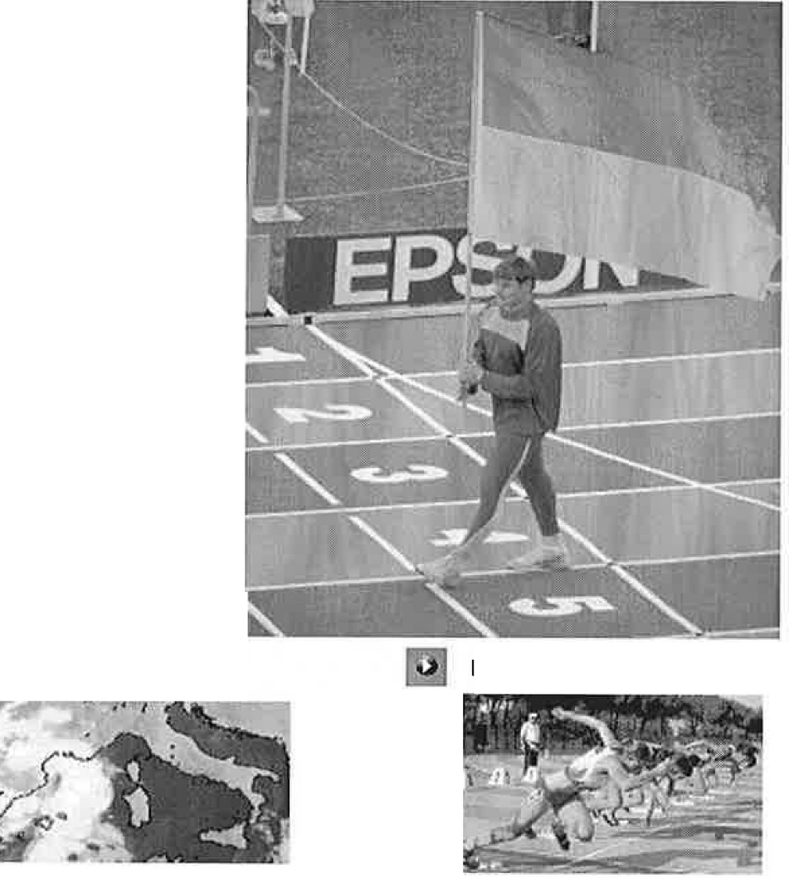

'
Media Statistics Tickets Multimedia Contacts Team Manual Bulle tin Sponsors Information LOC City of Grosseto Accommodation Projects
0 | 08/04/2004 Grosseto to celebrate 1OD days to go
0 | 13/04/2004 Campus "Cielo Azzurro" Registration Forms
 | WJC '04 Merchandising Competition Weather

EPSON SEIKO @T O I< I Webmaster !Italian Version! 1ttp:// www.gol.grosseto.it /grosseto2004/ eng/index.php

........................................

LAUSANNE GP Athletissima, IAAF Super GP, Lausanne, Switzerland, July 6- 100(0.4): 1. Powell (Jam) 10.00; 2. Obikwe/u (Por) 10.02; 3. Zakari (Gha) 10.13; 4. Thomas (Jam) 10.16; 5. Pognon (Fra) 10.17; 6. Frater (Jam) 10.19; 7. Streete-Thompson (Cay) 10.21; 8. Julius (SA) 10.48. 200(1.5): 1. Fredericks (Nam) 20.21 (fastest since '02); 2. Buck­ land (Mri) 20.27; 3. Wissman (Swe) 20.50; 4. Torrieri (Ila) 20.52; 5. Dzingai (Zim) 20.70; 6. Schneerberger (Swi) 20.87; 7. Waugh (Jam) 21.09. 400: 1. Francique (Grn) 44.75; 2. Djhone (Fra) 44.98; 3. Milazar (Mri) 45.25; 4. Labidi (Tun) 45.40; 5. Gonzales (Jam) 45.41 PR; 6. Clarke (Jam) 45.64; 7. Canal (Spa) 46.11. 800: 1. Mutua (Ken) 1:44.50; 2. Yiampoy (Ken) 1:44.78; 3. Kamel (Bhr) 1:44.99; 4. Sepeng (SA) 1:45.11; 5. Sa'id-Guerni (Alg) 1:45.17; 6. Reina (Spa) 1:46.84; 7. Longo (/ta) 1:46.99; 8. Bucher (Swi) 1:47.02; 9. Wachira (Ken) 1:47.08;... rabbit-H. Rotich (Ken). 1500: 1. El Guerrouj (Mor) 3:32.20 (2:49.32, 42.88); 2. I. Songok (Ken) 3:32.22; 3. Heshko (Ukr) 3:33.00; 4. Rotich (Ken) 3:33.40; 5. A. Kipchirchir (Ken) 3:34.04; 6. Liefers (Ho/) 3:34.46; 7. Kennouche (Alg) 3:35.86; 8. Baba (Mor) 3:36.38; 9. Boulahfane (Alg) 3:36.65; 10. Koers (Ho/) 3:37.19; 11. Gallardo (Spa) 3:37.80; 12. Formela (Pol) 3:38.60; 13. Nolan (Ire) 3:38.75; 14. Selmouni (Mor) 3:40.56; 15. R. Rono (Ken) 3:42.38; 16. Stember (US) 3:43.12;... rabbit-Youcef Abdi (Aus) (54.56), 0. dos Santos (Bra) (1:52.33). St: 1. E. Kemboi (Ken) 8:17.46; 2. Nyamu (Ken) 8:17.83; 3. Ant. Jimenez (Spa) 8:19.55; 4. A. Ezzine (Mor) 8:20.05; 5. E. Kirui (Ken) 8:21.56; 6. Kipyego (Ken) 8:23.14; 7. Poplawski (Pol) 8:23.32; 8. Yator (Ken) 8:23.82;... 14. Saifeldin (Qat) 8:36.68;... dnf-Khaldi (Alg), Joh. Langat (Ken), Vroeman (Ho/);.. . rabbit-Le Dauphin (Fra) (2:41.67, 2:47.91 [5:29.581). 5000: 1. Jawher (Bhr) 13:02.47 (7:48.62, 2:41.65 [10:30.27), 2:32.20); 2. Wendimu (Eth) 13:02.78; 3. Abate (Eth)

RUSSIAN WALKS Cheboksary, June 12- 20W: 1. Parvatkin (Rus) 1:18:28; 2. Andreyev (Rus) 1:18:44; 3. Markov(Rus) 1:19:59; 4. Yargunkin (Rus) 1:20:22 PR; 5. Yesipchuk (Rus) 1:21:42; 6. Kronin (Rus) 1:21:48; 7. Trofimov (Rus) 1:22:25 PR; 8. Ivanov (Rus) 1:23:09. 50W(6/13): 1. Nizhegorodov (Rus) 3:35:29 WR (old WR 3:36:03 Korzeniowski [Pol] '03); 2. Potemin (Rus) 3:39:34; 3. Kirdyapkin (Rus) 3:43:20 PR; 4. Matyukhin (Rus) 3:47:32; 5. Yerokhin (Rus) 3:57:31 PR; 6. Ramazanov (Rus) 4:01:45 PR. RUSSIAN WALKS WOMEN 20W: 1. lvanova (Rus) 1:26:54; 2. Korotkova (Rus) 1:27:35 PR; 3. Smyslova (Rus) 1:28:13 PR; 4. Yefimkina (Rus) 1:28:24; 5. Stankina (Rus) 1:28 :34; 6. Arkhipova (Rus) 1:29:38 PR; 7. Gudkova (Rus) 1:30:05; 8. Zenkova (Rus) 1:30:42 PR.

4
(Rus) 18-811 4. Ecker (Ger) 18-8114; 5. tie, Borgeling (Ger) & Pavlov

4;
(Rus) 18-8114 ; 7. Kristiansson (Swe) 18-4112 (5.60); 8. Hysong (US) 18-4112; 9. Mesnil (Fra) 18-4112; 10. tie, Lobinger (Ger) & Markov (Aus) 18-112 (5.50); 12. Chistiakov (Aus) 17-8112 (5.40); 13. Brits (SA) 17-8112; ... nh-Janson (Swe). LJ: 1. AI-Sabee (Sau) 26-10112 (8.19); 2. Gaisah (Gha) 26-8112 (8.14); 3. Tarus (Rom) 26-8114 (8.13); 4. Shkurlatov (Rus) 26-7314 (8.12); 5. Atanasov (Bui) 26-5112 (8.06); 6. Greg6rio (Bra) 26-3 (8.00); 7. Martinez (Cub) 26-114 (7.93); 8. Castillo (Ven) 25-6 (7.17); 9.
Beckford (Jam) 25-231 31
4 (7.69); 10. Louw (Nam) 24-9 4 (7.56). JT: 1. Makarov (Rus) 279-5 (85.17); 2. Rags (Lat) 278-5 (84.87); 3. Hecht (Ger) 269-7 (82.17); 4. Ivanov (Rus) 265-5 (80.90); 5. ... • • • • • • • • • • • • • • • • -225-
. . . . . . . . . . . . . . . . . . . . . . . . . . . . . . . . . . .. . . ..

4
4.
- National Championships - BULGARIA MEN Plovdiv, June 5-6- 200: 1. llinov 21.36. PV: 1. Efremov 18-6112 (5.65); 2. Bukhalov 18-112 (5.50). LJ: 1. Atanasov 26-8112 ( 8.14); 2. Dachev 26-2114 ( 7.98). TJ: 1. Karailiev 55-10114 (17.02) PR; 2. Rusenov 55-1112 (16.80); 3. Raev 54-11 114 (1 6.74); 4. Ivanov 52-8 (16.05). SP: 1. Kostadinov 62-8314 (1 9.12). HT: 1. Zhelev 228-7 (69.69). JT: 1. Kostov 232-1 (70.74). BULGARIA WOMEN (6/5-100, 400, LJ, HT, 400s) 100: 1. Lalova 11.32. 200(0 .2): 1. Lalova 22.86 PR. 400: 1.Dimi­ trova 52.89. 800: 1. Kolarova 2:08.52. 400H: 1. Dimitrova 57.11 PR. HJ: 1. Veneva 6-7 (2.01); 2. Kalcheva 6-3112 (1.92). PV: 1. Chav­ darova 13-9114 ( 4.20). LJ: 1. Yordanova 21-9,11 (6 .64). TJ: 1. Dimi­ trova 47-7314 (1 4.52) PR. OT: 1. Khristova 155-5 (47.37). HT: 1. Kumanova 182-3 (55.55). JT: 1. Georgieva 204-5 (62.32). CZECH REPUBLIC MEN Plzen, June 25-26- (6/25-100, 10K, SP, JT) 100(1.9) : 1. Bren 10.46. 200(0.5): 1. Vojtik 20.69 PR. 400: 1. Hanzl 46.44 PR. 800: 1. Sneberger 1:48.38. 10,000: 1. Stefka 29:55.46. 11OH(0.5): 1. Sajdak 13.79 PR; 2. Cech 13.96; 3. Sebrle 14.32. 400H: 1. Muzik 49.20. HJ: 1. Ton 7-7314 (2.33) (missed 7-8112/2. 35); 2. T. Jankll 7-?3'4 PR; 3. Baba 7-6112 (2.30); 4. J. Janku 7-3314 ( 2.23). LJ: 1. Lampart 26-0 (7.92);... 4. Sebrle 24-10 (7.57). SP: 1. Stehlik 65-3112(19.90). OT: 1. Malina 210-6 (64.17). HT: 1. Maska 241-7 (73.65). JT: 1. Pejrimovsky 247-8 (75.48) PR;.... 9. Dvorak 202-3 (61.64). CZECH WOMEN

2
(6/25-1500, 100H, HJ, LJ, JT)
1500: 1. Suldesova 4:15.92. St: 1. Mannova 10:04.90.100H(0.9): 25-5114 (7.75). TJ: 1. Yastrebov 56- 1314 (17.11); 2. Savolaynen 55-711

1. Martincova 13.18. 400H: 1. Rucklova 57.39. HJ: 1. Dubnova 6-112 (1.84). PV: 1. Badurova 14-9,11 (4.51) PR; 2. Hamackova 13-7114 ( 4.15). LJ: 1. Scerbova 21-11 (6.68) NJR. TJ: 1. Kasparkova 45-11"'4 (14.01). OT: 1. Cechlova 204-4 (62.28) . HT: 1. Vrbenska 212-11 (64.91). JT: 1. Brejchova 210-3 (64.08); 2. Klimesova 203-5 (62.00) PR.
chenko 6-4 (1.93); 4. Kovalenko 6-2114 (1.89); 5. Palamar 6-211 PV:

4.
1. Balakhonova 15-0 (4.57)NR. LJ: 1. Molchanova 21-3114 (6.48) PR. TJ: 1. Govorova 47-1 (14.35). SP: 1. Zakharchuk 58-2,11 (17.74). OT: 1. Antonova 209-8 (63.92). HT: 1. Sekachova 231-0 (70.41). JT: 1. Lyakhovich 198-9 (60.58).

........ ...... ............... .... . • • • • •
-226- July 26, 2004
. . . . . . . . . . . . . . ..........................

' •
2,
' 4,
' •
' •
2
' •
- Major North American Meets - ABBOTSFORD Abbots ford, B.C., June 27- 100(-2.0): 1. Boussombo (Gab) 10.55; 2. Hooker (US) 10.62. 200(-2.3): 1. Boussombo (Gab) 21.43;... 2. Hooker 21.58. 800: 1. Whitmarsh (Can) 1:49.28 ; 2. Pessing (US) 1:50.63. 1500: 1. Barrios (Mex) 3:39.50; 2. Komen (Ken) 3:40.21; 3. McKenzie (Can) 3:41.17 PR; 4. Jennings (US) 3:42.56; 5. A. Davis (US) 3:43.72;... 7. Woolhouse (NZ) 3:47.33. ABBOTSFORD WOMEN 800: 1. Fleschner (US) 2:06.9. 1500: 1. Metcalfe (Can) 4:19.40. 5000: 1. Tapia (Mex) 15:35.40 PR; 2. Fernandez (Mex) 15:41.23. PV: 1. Hendry (Can) 14-11 (4.30). BIG RED INVITATIONAL 2 Bloomington , Indiana, June 29- 400: 1. Scherer (Or) 46.06. 800: 1. Koczman (lnl) 1:47.90; 2. Balan (Ky) 1:48.65;... 9. Pyrah (unat) 1:51.34. 1500: 1. McMullen (USCG) 3:39.92; 2. Wilson (Asics) 3:39.97; 3. Mahoney (GaT) 3:40.85; 4. Nedeau (NBal) 3:41.49; 5. Savage (Zap) 3:41.63; 6. Connor (Nik) 3:42 .22; 7. Morgan (Ky) 3:42.50; 8. Weeden (unat) 3:43.06;... 12. Parlapiano (Viii) 3:46.01. 400H: 1. Swanson (lnl) 50.42; 2. Dudley (unat) 50.46 . TJ: 1. Reddick (lnl) 52-112 (15.86) . BIG RED WOMEN 800: 1. Wysong (NFT) 2:04.13; 2. Coles (NDSt) 2:04.86; 3. Sanders (lnl) 2:04.99. 1500: 1. Woodworth (WiOsh) 4:18.27; 2. Chandler (NFT) 4:19.16. LJ: 1. Green (lnl) 20-3112 (6 .18) . UCLA PRE-TRIALS THROWING MEET Westwood, California, June 30- SP: 1. Godina (adi) 69-11112 (21.32) (67-11 11 f, f, 67-113' •• 69-83 69-11112) (20.71, f, f, 20.72, 21.25, 21.32); 2. Roberge (unat) 64-4112 (19 .62); 3. Williams (Cal) 63-11 (19.48); 4. Mosca (unat) 62-3 (18.97); 5. O'Neil (Beach) 61-23 (18.66). OT: 1. Brow n (Nik) 205-10 (62.74); 2. lnan' (Tur) 194-1 (59.16); 3. O'Neil 191-0 (58.22); 4. Wiegand (unat) 189-10 (57.87); 5. Thur­ mond (unat) 189-8 (57.82). WESTWOOD WOMEN SP: 1. Heaston (Nik) 60-103 (18 .56) (11, x A) (58-11112, 60 - 10 11 , 58-4, 59-8 114, 60-6 112, 60-10314) (17.9

' •
' •
PV: 1. Boyle (Mi) 13-51 (4 .10) .

Note: if you want to have a version of the NCAA Championships results that has updated splits, etc., go into the eTN archive and download the new copy of No. 22

■ • • • • • • • • • • • • • • • ■ • • • • • • • ■ • • • • • • • • • • • • • • -227- July 26, 2004
 |  | 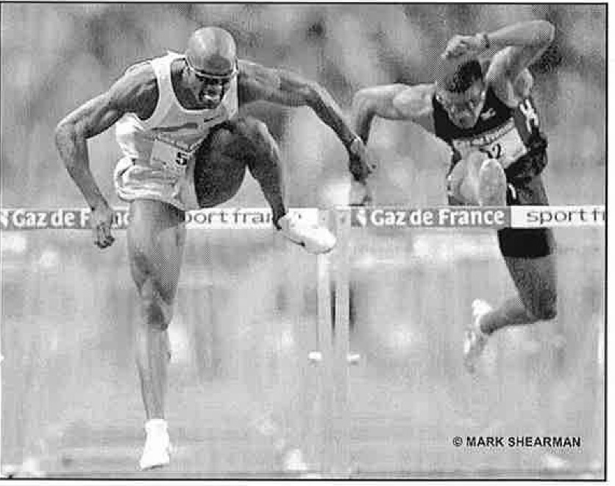 MEN'S 110 HURDLES ATHENS SCHEDULE Only Johnson Sub-13 heats-09:35 August 24 quart ers- 22:15 August 25 THE FORMCHART semis-21:00 August 26 1. Allen Johnson (US) ........................12.92 ('96) final-21:30 August 27 2. Xiang Liu (China) ......................., 13.06 (' 04) 3. Terrence Trammell (US) 13.09 ('04) 4. Duane Ross (US) ........................ .... 13.12 ('99) ON THE U.S. TUBE 5. Stanislav Olijar (Latvia) .................13.08 ('03) '8/24-NBC 12:30/16:00, 20:00/24:00, 6, Yoel Heroandez (C ba) .................. 13.24 ('9.9), 24:35/02:00 ' (replay 02:00/05:00), 7. Ladji Doucoure (France) ................ 13.23 ('03) HDTV 24 hours 8. Anier Garcfa (Cuba) .......................13.00 ('00), 8/25-- NBC 20:00/_24:00, 24:35/02:00 9. Maurice Wignall (Jamaica) ............ 13.28 ('03) (replay 02:00/05:00), HDTV 24 hours 10. Robert Kronberg ,(Sweqen) 13.35 ('01) 8/26:-20:00/24:00, 24:35/02:00 (re­ THE STATS play 02:00/05:00), HDTV 24 hours WR: 12.91 Colin Jackson (Great Britain) '93 8/28-NBC 20:00/i4:00 (replay 02:00- AR: 12.92 Roger Kingdom (adidas) '89 06:00) HDTV 24 hours Allen Johnson (Nike) '96 (twice) OR: 12.95 Allen Johnson (US) '96 rest as defending champ Garcia is fighting '00 Medalists: Garcia-Trammell-Crear back from injury... In Sydney the event '03 WC Medalists: Johnson-Trammell-Liu scratched down to just three rounds. THE SCOOP Allen Johnson (I) is favored to win a second gold, but teammate Terrence Trammell beat him at the Olympic Trials. Johnson won the '96 title but was held to 4th in '00 by a hamstring injury that cropped up just before Sydne

 |  | 2004 Olympic Games Prevfew

MEN'S 1500 METERS Lagat Busts El G Bubble
THE FORMCHART 1. Bernard Lagat (Kenya) ................3:26.34 ('01) 2. Hicham El Guerrouj (Morocco) ..3:26.00 ('98) 3. Mehdi Baala (France) ..................3:28.98 ('03) -1. Ivan Heshko (Ukraine) ................3:32.01 ('03) 5. Rashid Ramzi (Bahrain) ..............3:30.25 ('04) 6. Isaac Songok (Kenya) ...............;.'3:30,99 (',04) 7. Timothy Kiptanui (Kenya) ........... 3:30.04 ('04) 8. W,ondimu Mulugeta (Ethiopia) ...3:31.13 f 04) 9. Alan Webb (US) ...........................3:32.73 ('04) 10. Rui Silva (Pert.ugal) ...................3:30.07 ('02) Other Americans: Charlie Gruber 3:34.71 ('04) Grant Robison 3:35.75 ('03) THE SCOOP Before this season El Guerrouj had won 80 of his last 83 finals, with two of the losses being the last two Olympics. Ouch!... But the Moroccan battled aller­ gies/respiratory infections this spring and has lost a stunning 2 of 5 races. El G's tactic has never been a deadly kick, but rather outrunning opponents over the full distance. Wash­ ington State alum Lagat beat El Gin Zurich, the last pre-Olympic test, in just such a race, a superfast 3:27.40 effort. .. Lagat could get good tactical help from having a pair of teammates in the final... The resurgent Webb scored multiple PRs, then won the Trials with confidence and verve-qualities that could serve him well on the Olympic stage. THE STATS WR: 3:26.00 Hicham El Guerrouj (Morocco) '98 AR: 3:29.77 Sydney Maree (Puma) '85 OR: 3:32.07 Noah Ngeny (Kenya) '00 '00 Medalists: Ngeny-EI Guerrouj-Lagat '03 WC Medalists: El Guerrouj-Baala-Heshko

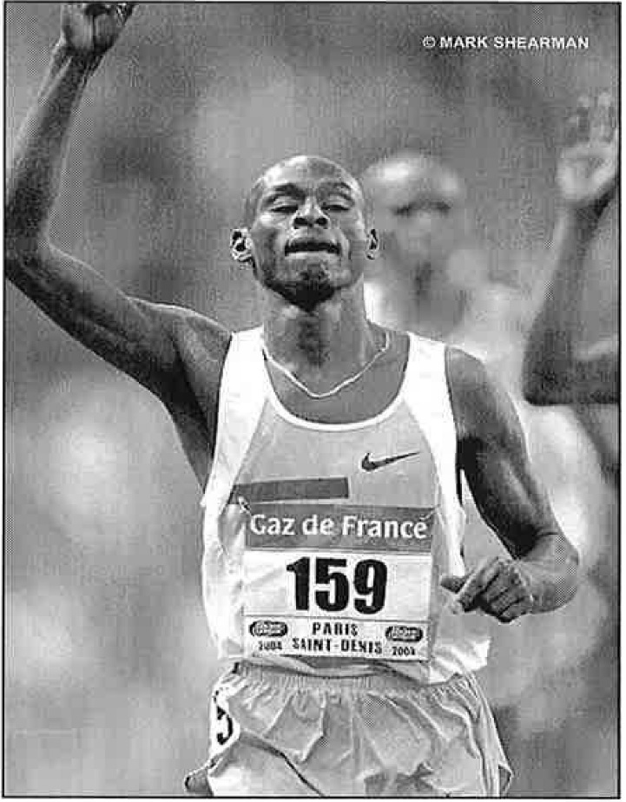

link to event's yearly list (IAAF)
2004 OIY.fl'\P.it Games Pre\ilew

